Sheet1
PIONEER SERVICES
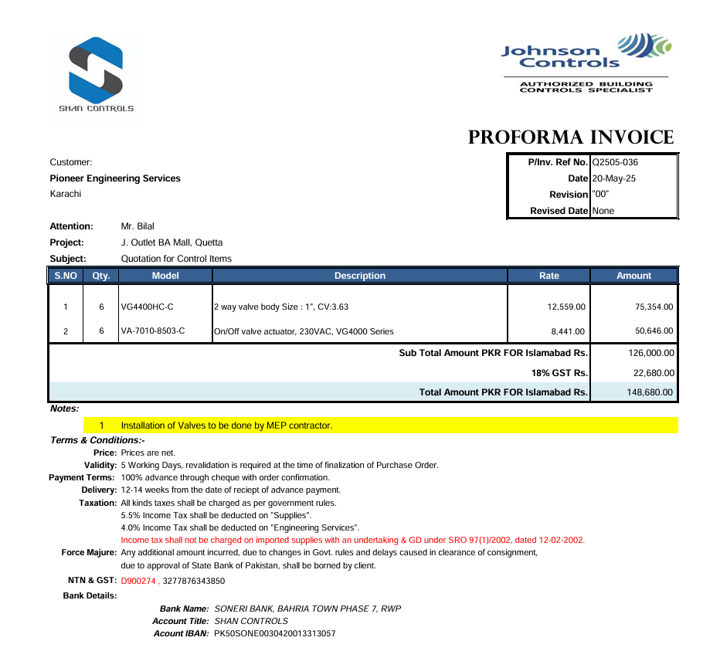



 |  |  |  | Date: | 21-May-25
 |  |  |  | PO # | 12

M/S Shan Controls

Att: Mr. Imran Shafqat

PURCHASE ORDER

Supply of 2 way valve body for the project (J outlet Quetta Pakistan)
S No. | D e s c r i p t i o n | Qty | Unit | Rate | Amount
1 | 2 way valve body Size : 1", CV:3.63 Model: VG4400HC-C | 6 | Nos | 12,559 | 75,354
2 | On/Off valve actuator, 230VAC, VG4000 Series Medel: VA-7010-8503-C | 6 | Nos | 8,441 | 50,646
 |  | TOTAL: |  |  | 126,000

for PIONEER SERVICES

